Pre-Allocation Template
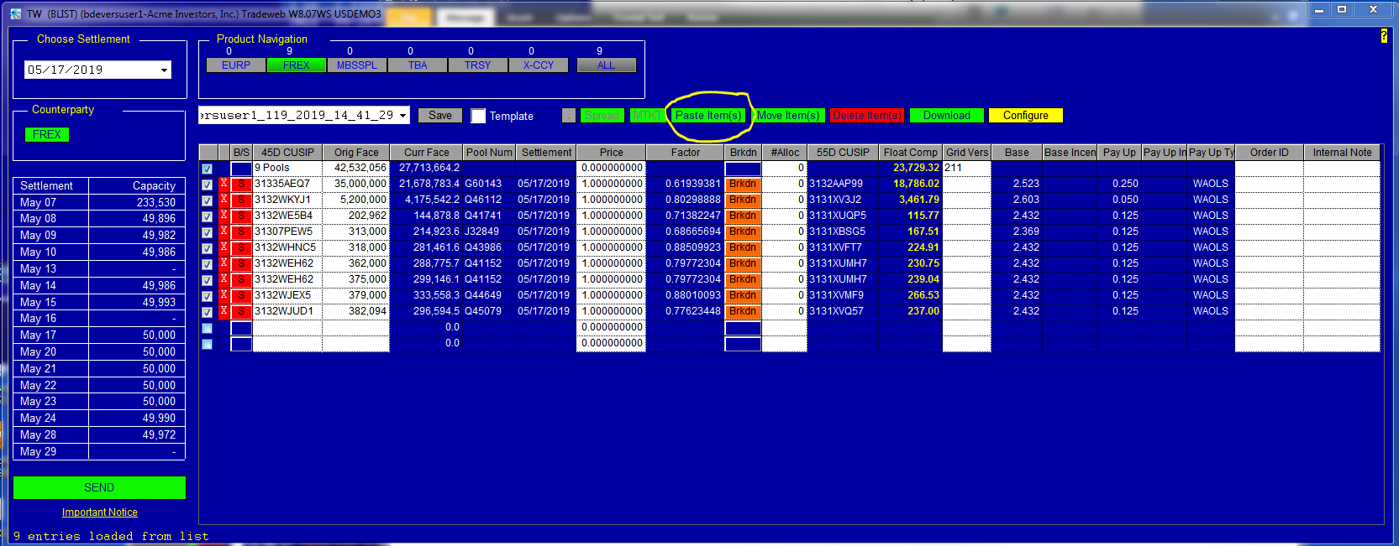
Use this template as a guide for pasting 45-Day PC Gold pools into the FREX page on Tradeweb

1. Highlight and copy cells B8 thru F17 (you must include column headers)
2. You will need to replace the account short names displayed below with the account names that are set up on Tradeweb for your company
3. After you have copied the data to the clipboard, click on the "Paste Items" button on the FREX page on Tradeweb
Always Required |  |  | Required for Pre-Allocation | Optional

BS | CUSIP | Original Face | Account | Price
S | 31335AEQ7 | 35,000,000 | 1 | 101.12345679
S | 3132WKYJ1 | 5,200,000 | 10 | 101.75000000
S | 3132WE5B4 | 202,962 | 1016610BK | 101.25000000
S | 31307PEW5 | 313,000 | 1016620BK | 101.50000000
S | 3132WHNC5 | 318,000 | 1016630BK | 101.56250000
S | 3132WEH62 | 362,000 | 1016650BK | 101.62500000
S | 3132WEH62 | 375,000 | 1021 | 101.68750000
S | 3132WJEX5 | 379,000 | 103 | 101.75000000
S | 3132WJUD1 | 382,094 | 104 | 101.81250000

Post-Allocation Template
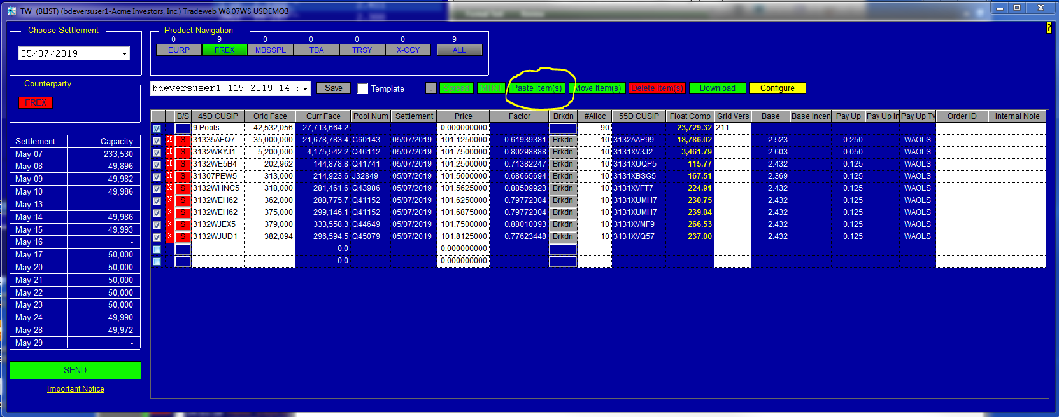
Use this template as a guide for pasting 45-Day PC Gold pools into the FREX page on Tradeweb

1. Highlight and copy cells B8 thru E16 (you must include column headers)
2. After you have copied the data to the clipboard, click on the "Paste Items" button on the FREX page on Tradeweb
3. Tradeweb will estimate the number allocations required for each CUSIP. You may increase the number of allocations but you cannot decrease the number.
Always Required |  |  | Optional

BS | CUSIP | Original Face | Price
S | 31335AEQ7 | 35,000,000 | 101.123456789
S | 3132WKYJ1 | 5,200,000 | 101.123456789
S | 3132WE5B4 | 202,962 | 101.123456789
S | 31307PEW5 | 313,000 | 101.123456789
S | 3132WHNC5 | 318,000 | 101.123456789
S | 3132WEH62 | 362,000 | 101.123456789
S | 3132WEH62 | 375,000 | 101.123456789
S | 3132WJEX5 | 379,000 | 101.123456789
S | 3132WJUD1 | 382,094 | 101.123456789

